Case1
 |  |  |  |  |  |  |  |  |  |  | Avg | % | Y=X^2 | THD
2 | 0.000071 | 0.000071 | 0.000071 | 0.0000443 | 0.0000458 | 0.0000458 | 0.0000696 | 0.0000696 | 0.0000696 | 0.0000744 | 0.00006321 | 0.006321 | 3.9955041E-05 | 0.31122076811
3 | 0.0029974 | 0.0029974 | 0.0029974 | 0.0030084 | 0.0030084 | 0.0030084 | 0.0029893 | 0.0029893 | 0.0029893 | 0.0029941 | 0.00299794 | 0.299794 | 0.089876442436
4 | 0.0000281 | 0.00003 | 0.0000281 | 0.0000253 | 0.0000267 | 0.0000253 | 0.0000172 | 0.0000172 | 0.0000172 | 0.0000076 | 0.00002227 | 0.002227 | 4.959529E-06
5 | 0.0007434 | 0.0007434 | 0.0007434 | 0.0007558 | 0.0007558 | 0.0007558 | 0.0007625 | 0.0007606 | 0.0007606 | 0.0007687 | 0.000755 | 0.0755 | 0.00570025
6 | 0.0000124 | 0.0000124 | 0.0000124 | 0.0000172 | 0.0000172 | 0.0000172 | 0.000011 | 0.000011 | 0.000011 | 0.000011 | 0.00001328 | 0.001328 | 1.763584E-06
7 | 0.0003214 | 0.00032 | 0.00032 | 0.00032 | 0.00032 | 0.00032 | 0.0003166 | 0.0003152 | 0.0003166 | 0.0003152 | 0.0003185 | 0.03185 | 0.0010144225
8 | 0.0000172 | 0.0000172 | 0.0000172 | 0.0000172 | 0.0000172 | 0.0000157 | 0.000011 | 0.000011 | 0.000011 | 0.000011 | 0.00001457 | 0.001457 | 2.122849E-06
9 | 0.0001378 | 0.0001378 | 0.0001378 | 0.0001264 | 0.0001249 | 0.0001249 | 0.0001283 | 0.0001283 | 0.0001283 | 0.0001345 | 0.0001309 | 0.01309 | 0.0001713481
10 | 0.0000157 | 0.0000157 | 0.0000157 | 0.0000172 | 0.0000172 | 0.0000157 | 0.0000091 | 0.000011 | 0.0000091 | 0.0000138 | 0.00001402 | 0.001402 | 1.965604E-06
11 | 0.0000315 | 0.0000315 | 0.0000315 | 0.0000472 | 0.0000472 | 0.0000472 | 0.000052 | 0.0000505 | 0.0000505 | 0.0000553 | 0.00004444 | 0.004444 | 1.9749136E-05
12 | 0.0000029 | 0.0000029 | 0.0000029 | 0.0000062 | 0.0000062 | 0.0000062 | 0.0000138 | 0.0000138 | 0.0000138 | 0.0000076 | 0.00000763 | 0.000763 | 5.82169E-07
13 | 0.0000219 | 0.0000205 | 0.0000205 | 0.0000253 | 0.0000253 | 0.0000253 | 0.0000267 | 0.0000267 | 0.0000267 | 0.0000281 | 0.0000247 | 0.00247 | 6.1009E-06
14 | 0.0000091 | 0.0000091 | 0.0000091 | 0.0000157 | 0.0000157 | 0.0000157 | 0.0000029 | 0.0000029 | 0.0000029 | 0.0000062 | 0.00000893 | 0.000893 | 7.97449E-07
15 | 0.0000186 | 0.0000186 | 0.0000186 | 0.0000172 | 0.0000172 | 0.0000172 | 0.000011 | 0.0000124 | 0.0000124 | 0.0000029 | 0.00001461 | 0.001461 | 2.134521E-06
16 | 0 | 0 | 0 | 0.0000076 | 0.0000076 | 0.0000076 | 0.000011 | 0.000011 | 0.000011 | 0.0000076 | 0.00000634 | 0.000634 | 4.01956E-07
17 | 0.0000362 | 0.0000362 | 0.0000362 | 0.0000362 | 0.0000362 | 0.0000362 | 0.0000205 | 0.0000205 | 0.0000205 | 0.0000186 | 0.00002973 | 0.002973 | 8.838729E-06
18 | 0.0000014 | 0.0000014 | 0.0000014 | 0 | 0 | 0 | 0.0000043 | 0.0000062 | 0.0000062 | 0.000011 | 0.00000319 | 0.000319 | 1.01761E-07
19 | 0.00003 | 0.00003 | 0.00003 | 0.0000219 | 0.0000234 | 0.0000219 | 0.0000138 | 0.0000157 | 0.0000157 | 0.0000172 | 0.00002196 | 0.002196 | 4.822416E-06
20 | 0.0000205 | 0.0000186 | 0.0000186 | 0.0000062 | 0.0000062 | 0.0000062 | 0.0000138 | 0.0000138 | 0.0000138 | 0.0000091 | 0.00001268 | 0.001268 | 1.607824E-06

Case1A
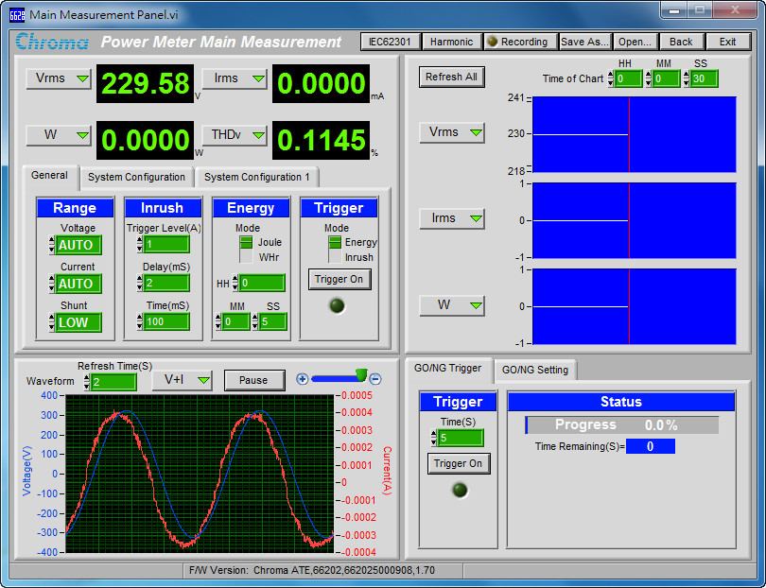
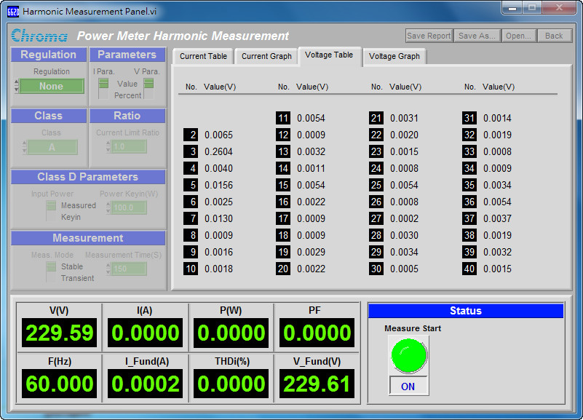
 | V | Fund | % | Y=X^2 | THD
2 | 0.0065 | 229.61 | 0.0028308871565 | 8.0139220927E-06 | 0.11388849311
3 | 0.2604 | 229.61 | 0.1134096947 | 0.012861758852
4 | 0.004 | 229.61 | 0.001742084404 | 3.0348580706E-06
5 | 0.0156 | 229.61 | 0.0067941291756 | 4.6160191254E-05
6 | 0.0025 | 229.61 | 0.0010888027525 | 1.1854914338E-06
7 | 0.013 | 229.61 | 0.005661774313 | 3.2055688371E-05
8 | 0.0009 | 229.61 | 0.0003919689909 | 1.5363968983E-07
9 | 0.0016 | 229.61 | 0.0006968337616 | 4.855772913E-07
10 | 0.0018 | 229.61 | 0.0007839379818 | 6.145587593E-07
11 | 0.0054 | 229.61 | 0.0023518139454 | 5.5310288337E-06
12 | 0.0009 | 229.61 | 0.0003919689909 | 1.5363968983E-07
13 | 0.0032 | 229.61 | 0.0013936675232 | 1.9423091652E-06
14 | 0.0011 | 229.61 | 0.0004790732111 | 2.2951114159E-07
15 | 0.0054 | 229.61 | 0.0023518139454 | 5.5310288337E-06
16 | 0.0022 | 229.61 | 0.00095814642219 | 9.1804456636E-07
17 | 0.0009 | 229.61 | 0.0003919689909 | 1.5363968983E-07
18 | 0.0009 | 229.61 | 0.0003919689909 | 1.5363968983E-07
19 | 0.0029 | 229.61 | 0.0012630111929 | 1.5951972734E-06
20 | 0.0022 | 229.61 | 0.00095814642219 | 9.1804456636E-07

